Script
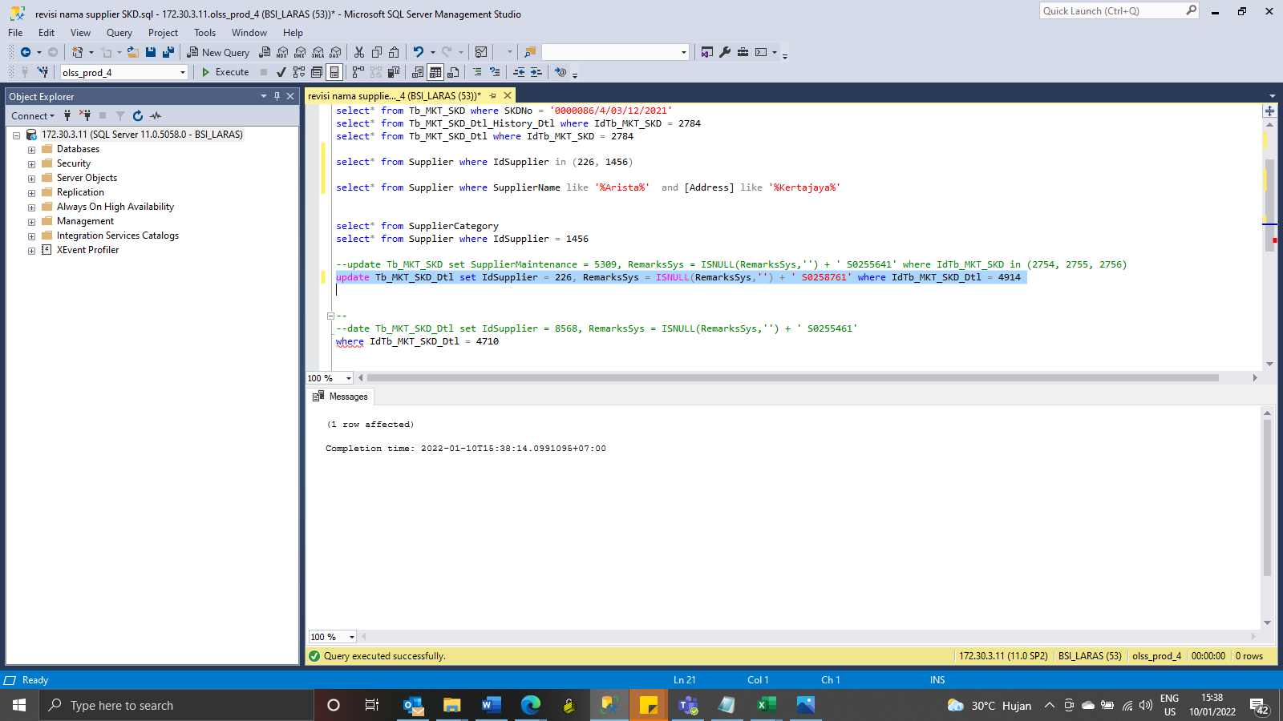
update Tb_MKT_SKD_Dtl set IdSupplier = 226, RemarksSys = ISNULL(RemarksSys,'') + ' S0258761' where IdTb_MKT_SKD_Dtl = 4914

Screenshot
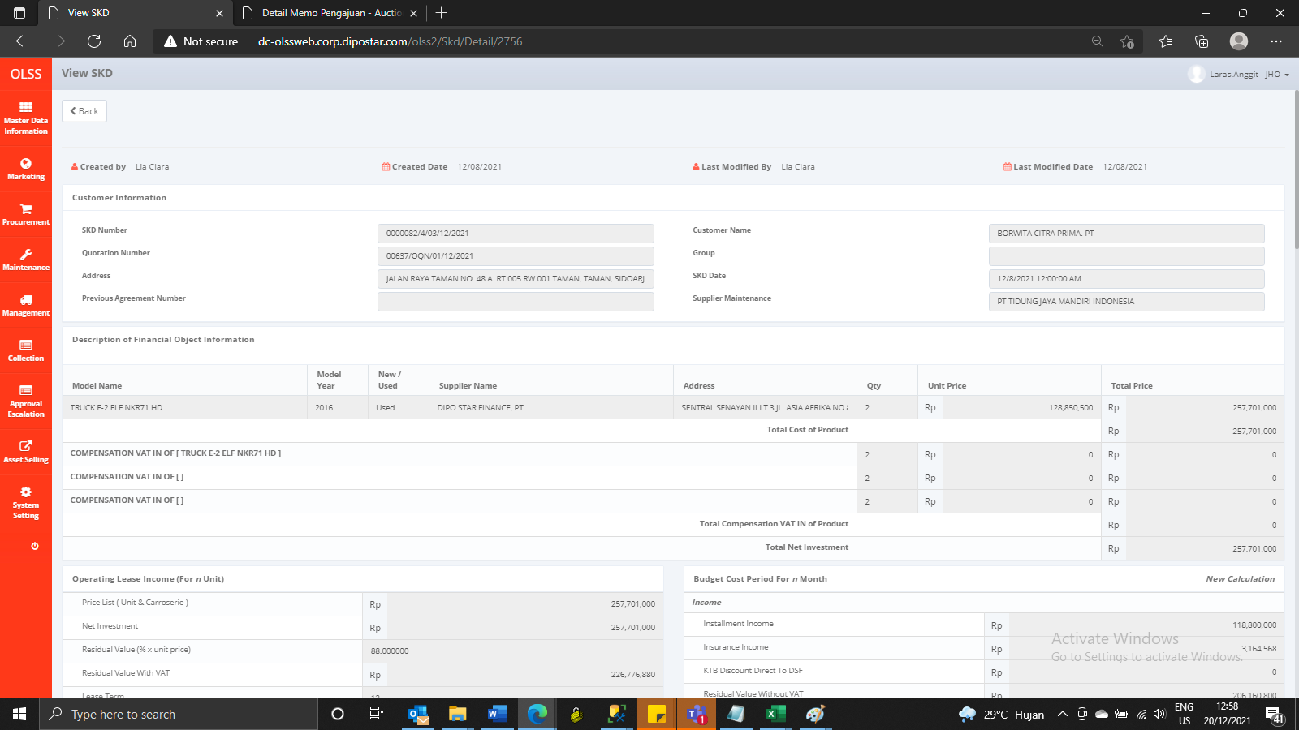
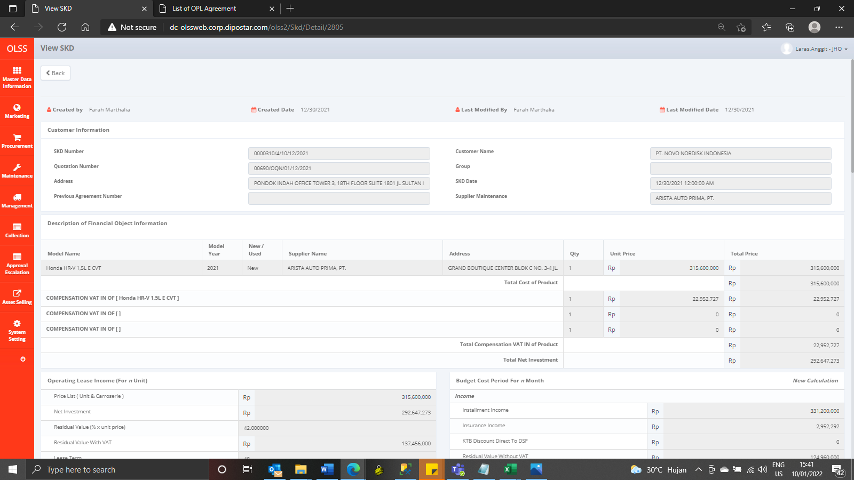
BEFORE
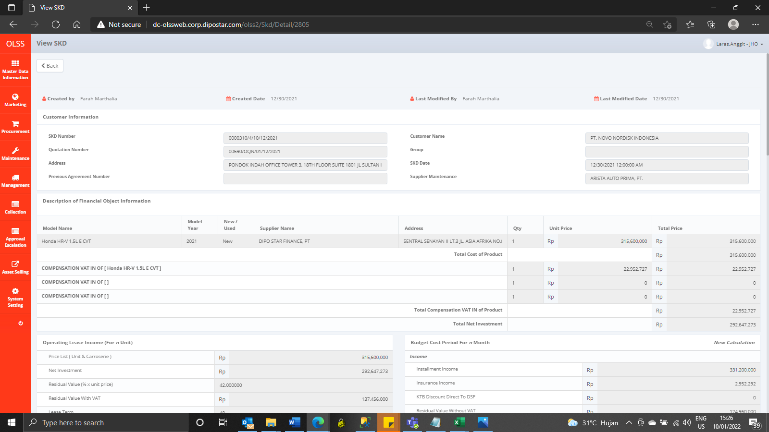
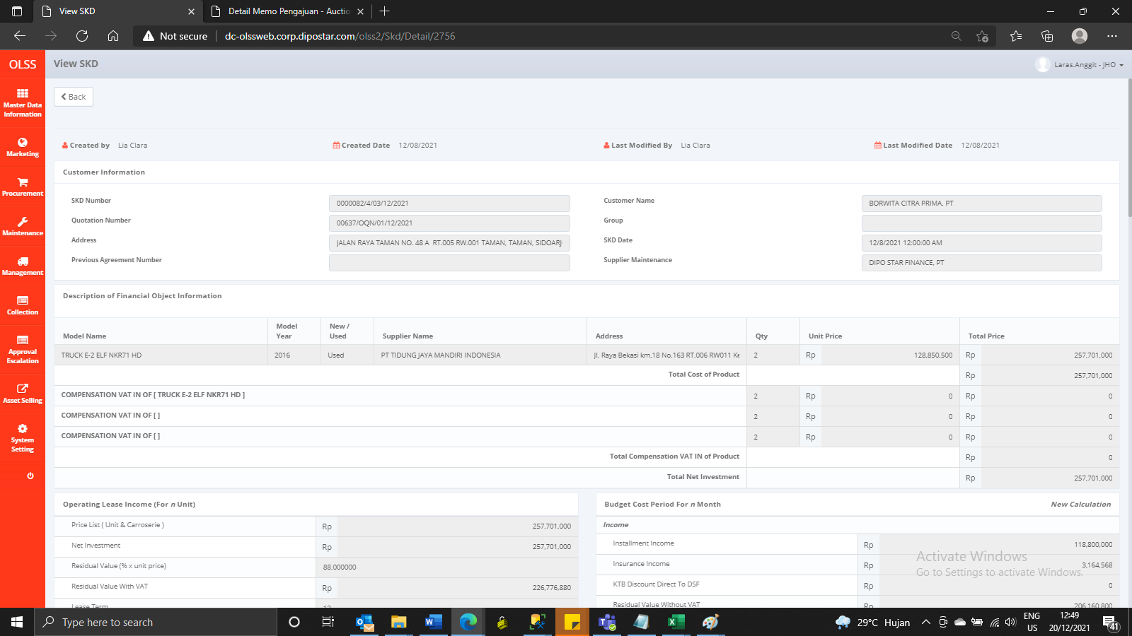

AFTER

